Photographs
Inlet
Outlet
This worksheet presents photo documentation of the battery module and the laboratory setup for better visualization and understanding of the module architecture.
 | On these photos the cooling circuit (yellow) and the electrical wiring can be seen.
 | More detailed look on the battery module from above on the left and nickel strips connected to the body of the cells (green arrows) serving as a negative current collector on the right.
 | Positive contacts and positive terminal on the left (red circle) and negative terminal with all the negative current collectors connected on the right (blue circle).
Inlet
Outlet
 | Detailed photo of the PCBs with temperature sensors anlog the axial axis of the battery cells.

3D_Model
This worksheet shows an exploded 3D model for better visualization and understanding of the module architecture.
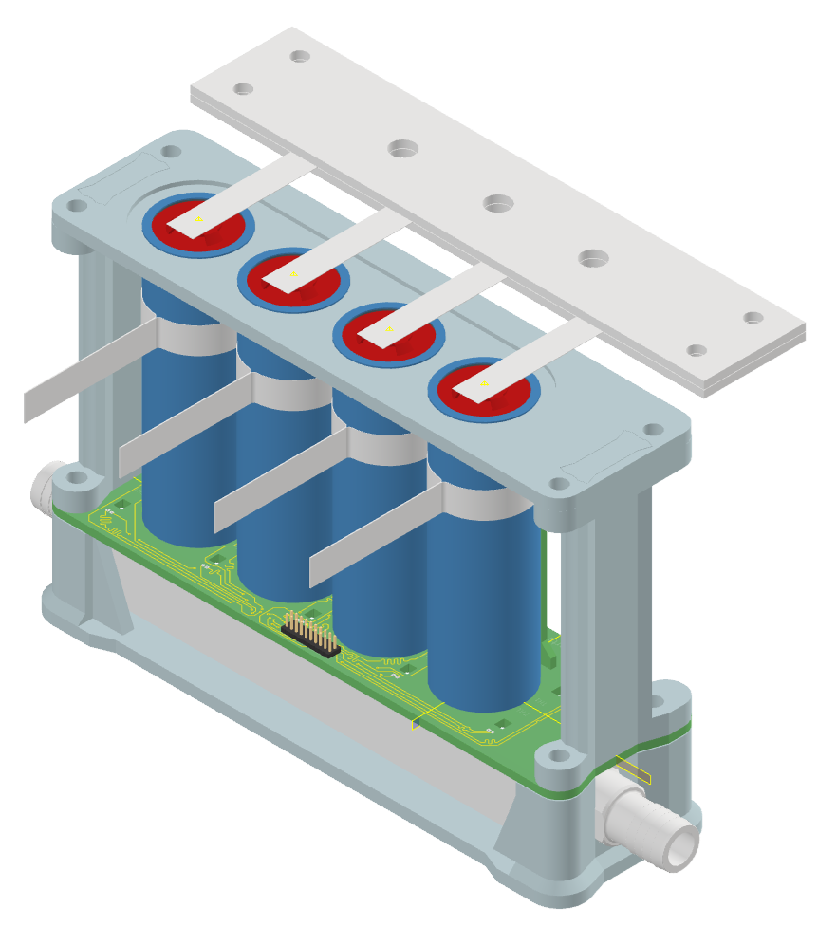
3D printed cooling channel holder
Cooling channel
Thermal Pad
Cooling-channel PCB
Batteries
3D printed battery holder
Positive terminal
Cooling channel PCB temperature sensors (red circles) are placed on a graphite thermal pad - same as the batteries - which is then placed on the coling channel. For better thermal contact a thin layer of thermal paste is applied to the bottom side of batteries and temperature sensors to imrove the contact with the thermal pad.
Outlet
Intlet

Cooling channel PCB
Single battery cell
Battery PCB
Temperature senosors along axial battery cell axis
Positive busbar - nickel strip
Negative busbar - nickel strip
Negative busbar nickel strip is used, which functions as a clamping collar around the battery cell. The original battery wrap is removed, and the nickel strip is attached directly to the battery cell body.
To ensure optimal electrical connection between the clamping sleeve and the battery body, an electrically conductive grease is applied beneath the strip. This grease enhances the electrical contact between the busbar and the cell.

Sensor_Layout
SENSOR PLACEMENT AND DESCRIPTION
On this worksheet plecement of the temperature sensors within the module is displayed.
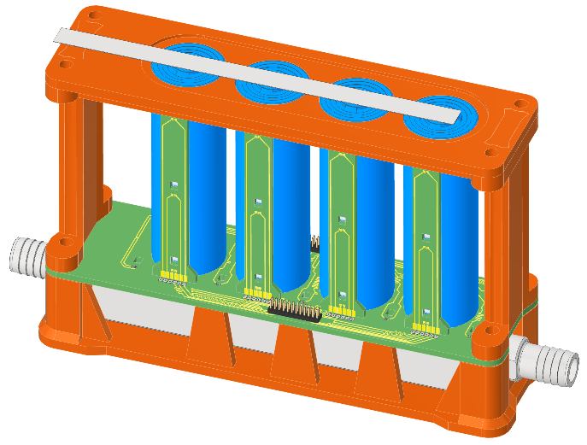

 |  | Four battery-cell PCBs to measure temperature axial temperature distribution on every cell.

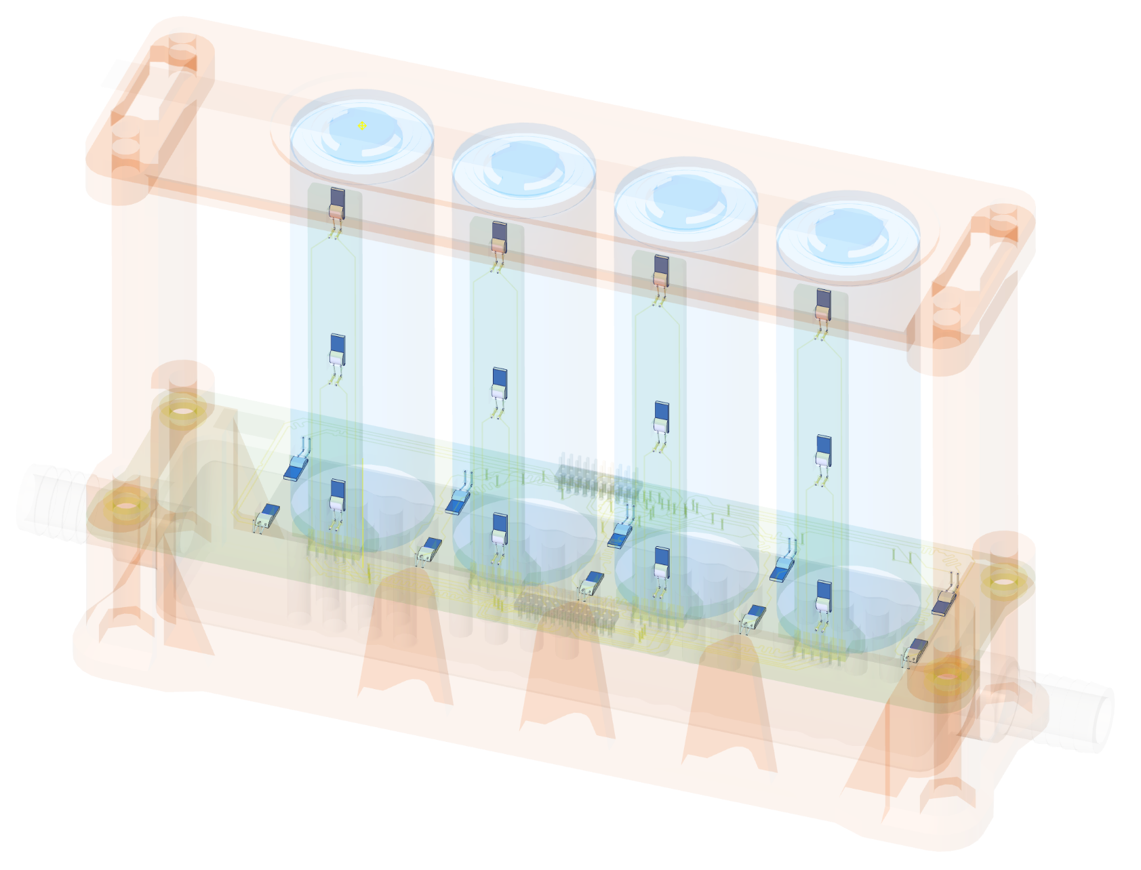
AMBIENT_T
Chan 216
CELL 4
CELL 3
 |  | Cold plate PCB to measure temperature distribution on the upper side of the cold plate, through the thermal pad!
TH11
Chan 107
TH14
Chan 110
CELL 2
TH17
Chan 115
CELL 1
TH20
Chan 118

TH12
Chan 108
TH15
Chan 111
TH18
Chan 116
Outlet
TH13
Chan 109
TH21
Chan 119
TH2
Chan 207
TH16
Chan 112
TH4
Chan 209
TH19
Chan 117
T_OUT
Chan 104
4W
TH1
Chan 206
TH3
Chan 208
TH6
Chan 211
TH22
Chan 120
TH8
Chan 213
TH5
Chan 210
TH7
Chan 212
TH10
Chan 215
TH9
Chan 214
Inlet

T_IN
Chan 103
4W

Cold plate temperature sensors
Axial battery temperature sensors
Inlet/outlet water coolant temperature sensors
Ambient temperature

Measurement parameters
Voltage | Chan306
Current | Chan307
Flow | Chan308

Materials
On this worksheet material properties of used components are displayed

Cold plate - aluminium AlSi₁₀Mg
Positive and negative busbar - nickel ≥99.7%
Thermal paste - MX-6*

https://xometry.pro/wp-content/uploads/2023/08/Aluminium-1706-1.pdf | https://www.nkon.nl/en/nikkel-battijersoldeerstrip-10mm-20mm.html | https://www.arctic.de/media/77/c5/74/1666609891/Spec_Sheet_MX-6_EN.pdf
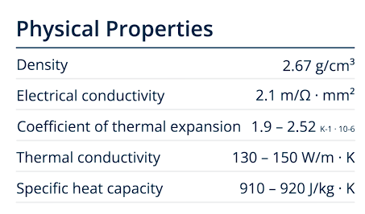
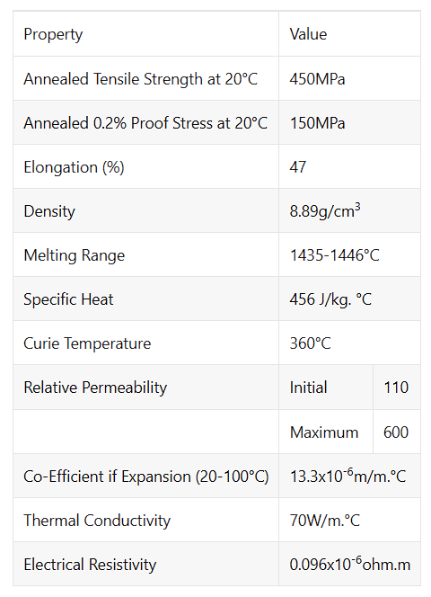

 |  | estimated thermal conductivity - 0,5-2,0 W/mK
 |  | *a thin layer of the thermal paste is applied on the bottom side of the battery cells and cooling-channel PCB temperature sensors to ensure improved thermal contact between these components and the cooling channel, compensating for possible surface irregularities and the stiffness of the thermal pad
Thermal pad - graphite

https://uk.rs-online.com/web/p/thermal-pads/7943985
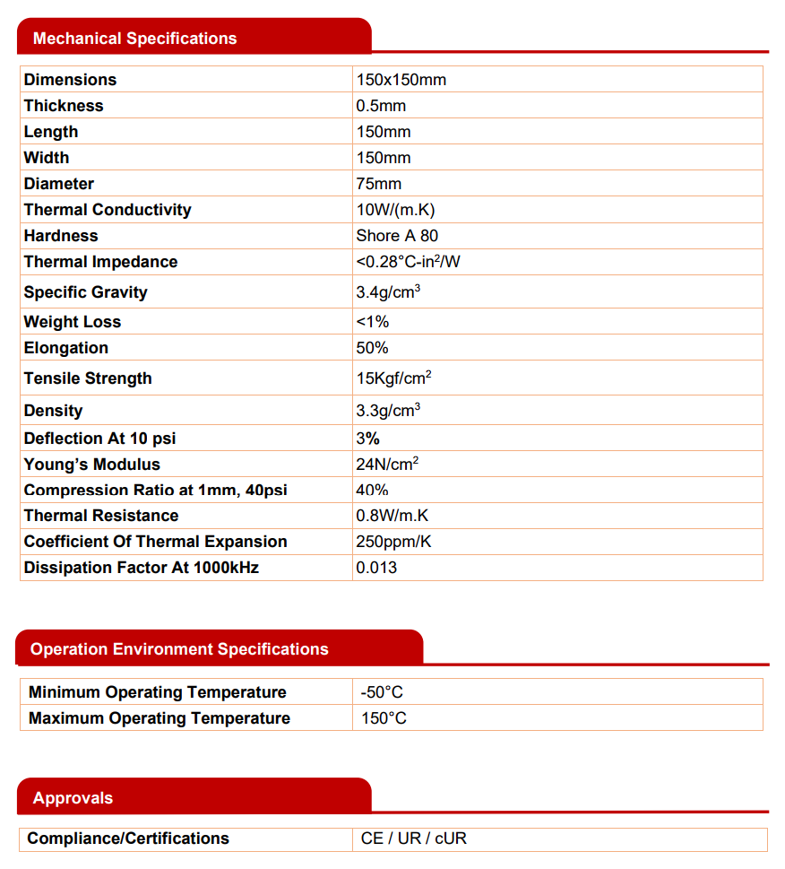

3D printed holder - resin

 | https://store.anycubic.com/products/tough-resin-2?_sasdk=dMTliMjYyNDA4ZjM2MWEtMDk3Mzg4OWE4MzU2MDktMjYwNjFiNTEtMjM1OTI5Ni0xOWIyNjI0MDhmNDFlZWY

 | estimated thermal conductivity - 0,2-0,3 W/mK
 | estimated specific heat capacity - 1,5-2,0 kJ/kgK

